Parameters to vary
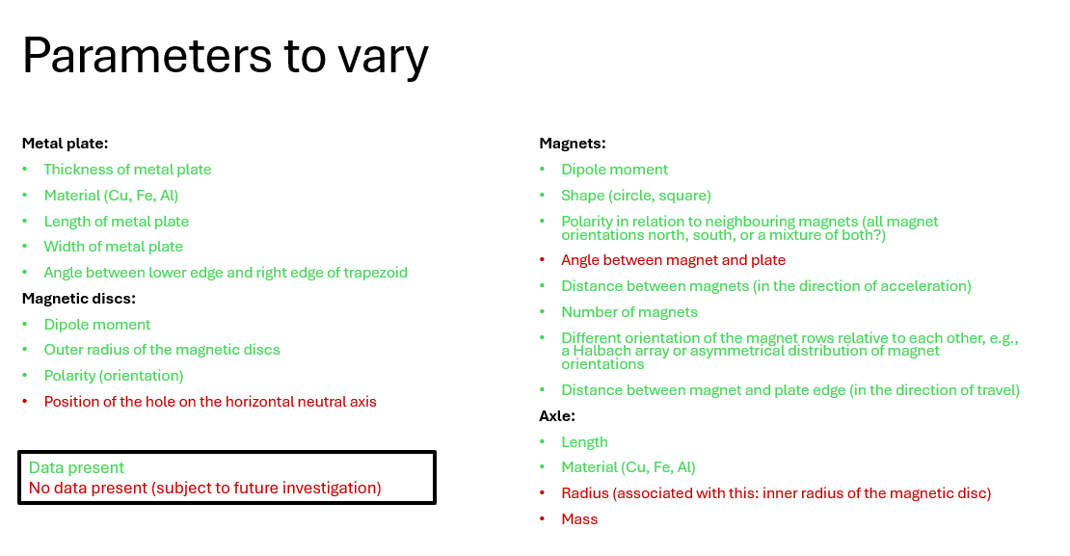

noch nicht möglich

noch nicht möglich

noch nicht möglich

all plates, 0.5 mm, description
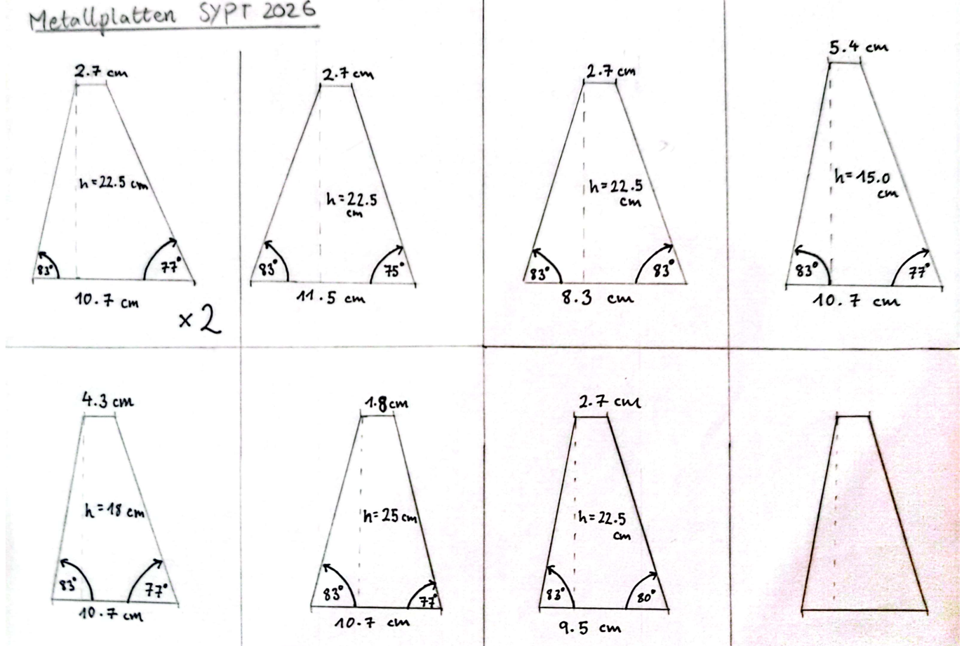

dist. magnets, in accel dir
Distance in direction of accel (cm) | Acceleration 1 (m/s^2) | Acceleration 2 (m/s^2) | Acceleration 3 (m/s^2) | Acceleration 4 (m/s^2) | Acceleration 5 (m/s^2) | Average | notes | St. Div. | St. Fehler | Theory test 1 | theory test 2

0.6 |  | 0.381165 | 0.311554 |  |  | 0.3463595 |  | 0.049222410145 | 0.0348055 | 0.662 | 0.27362174372 | 0.24564392042 | 0.3279
1.1 | 0.363173 | 0.351954 | 0.310311 | 0.382068 | 0.284573 | 0.3384158 |  | 0.039970749526 | 0.017875462611 | 0.4668 | 0.26008169867 | 0.23348834498 | 0.2866
1.6 | 0.250445 | 0.385264 | 0.252051 | 0.245941 | 0.350895 | 0.2969192 |  | 0.066124833052 | 0.029571924341 | 0.2993 | 0.21422285561 | 0.19231856863
2.1 | 0.177788 | 0.141805 | 0.238245 | 0.175167 | 0.141782 | 0.1749574 | normal | 0.039411500013 | 0.017625358625 | 0.1721 | 0.17779368679 | 0.15961428231
2.6 | 0.171201 | 0.172136 | 0.143062 | 0.093379 | 0.177811 | 0.1515178 |  | 0.035197626052 | 0.0157408569 | 0.0881 | 0.15837016978 | 0.14217681992
3.1 | 0.084076 | 0.092001 | 0.07112 | 0.155099 | 0.191672 | 0.1187936 |  | 0.05202228022 | 0.023265070983 | 0.0412 | 0.14507191125 | 0.13023830832
3.6 | 0.108322 | 0.236055 | 0.141755 | 0.019613 | 0.040289 | 0.1092068 |  | 0.086497610072 | 0.038682907203 | 0.0203 | 0.1341109224 | 0.12039808058 | 0.1647

python "ir_sensor_mux_array_reader_and_plotter.py"
Dist. magnets as parameter in acceleration
 |  |  |  |  |  | 0.3463595 | 0.0348055 | 0.27362174372
 |  |  |  |  |  | 0.3384158 | 0.017875462611 | 0.26008169867 | dist err | angle
 |  |  |  |  |  | 0.2969192 | 0.029571924341 | 0.21422285561 | 0.01 | 2 deg
 |  |  |  |  |  | 0.1749574 | 0.017625358625 | 0.17779368679 |  |  | 15.356372318
 |  |  |  |  |  | 0.1515178 | 0.0157408569 | 0.15837016978
 |  |  |  |  |  | 0.1187936 | 0.023265070983 | 0.14507191125
 |  |  |  |  |  | 0.1092068 | 0.038682907203 | 0.1341109224

0.6 | 0.3463595 | 0.0348055
1.1 | 0.3384158 | 0.017875462611
1.6 | 0.2969192 | 0.029571924341
2.1 | 0.1868504 | 0.017625358625
2.6 | 0.1515178 | 0.0157408569
3.1 | 0.1187936 | 0.023265070983
3.6 | 0.1092068 | 0.038682907203

magn_amt
amt_magnets | Acceleration 1 (m/s^2) | Acceleration 2 (m/s^2) | Acceleration 3 (m/s^2) | Acceleration 4 (m/s^2) | Acceleration 5 (m/s^2) | 6 | 7 | 8 | 9 | 10 | Average | St. Fehler | Theory
1 | 0.004339192213 | 0.00088603679638 | 0.011140725676 | 0.022468497726 | 0.0097141960519 | 0.037534301121 | 0.02272727283 | 0.1936582283 |  |  | 0.037808556339 | 0.022652615362 | 0.109 | 0.018596056565
2 | 0.02423517982 | 0.032618034222 |  |  | 0.049721349521 | 0.18620957485 | 0.39240199016 | 0.33421120234 | 0.11604487968 |  | 0.16220603008 | 0.056434704968 | 0.176 | 0.029971666258
3 | 0.010513632214 | 0.0072328651382 | 0.011677938778 | 0.002316560801 |  | 0.27688722092 | 0.27239601946 | 1.1011101341 |  |  | 0.24030491019 | 0.15113767725 | 0.222 | 0.037805169939
4 | 0.057045296481 | 0.471364 | 0.55149164777 | 0.0040695633563 |  |  |  |  |  |  | 0.2709926269 | 0.14019325052 | 0.258 | 0.043850591258 | 0.005 | 0.15 | 0.014035087719 | 0.109 | 0.018596056565
5 | 0.5675359566 | 0.46594643806 | 0.52338459699 |  | 0.66339159873 | 0.0011683026177 | 0.0030616566028 | 0.0082260115882 | 0.014755614643 | 0.0027207046985 | 0.25002120895 | 0.097960528249 | 0.292 | 0.049793836442 |  |  |  | 0.176 | 0.029971666258
6 | 0.57589477533 | 0.53171591771 | 0.53708086005 | 0.45943999235 | 0.0063233999594 | 0.00057460698477 |  |  |  |  | 0.35183825873 | 0.11123802107 | 0.325 | 0.05539649451 | 0.17 |  |  | 0.222 | 0.037805169939
7 | 0.464831 | 0.358387 | 0.316708 | 0.472066 |  |  |  |  |  |  | 0.402998 | 0.038761894878 | 0.352 | 0.059858185737 |  |  |  | 0.258 | 0.043850591258
8 | 0.446564 | 0.375123 | 0.39133 | 0.413571 | 0.3438 |  |  |  |  |  | 0.3940776 | 0.017363003855 | 0.370 | 0.063076733988 |  |  |  | 0.292 | 0.049793836442
 |  |  |  |  |  |  |  |  |  |  |  |  |  |  |  |  |  | 0.325 | 0.05539649451
Amt. magnets
 |  |  |  |  |  |  |  |  |  |  |  |  |  |  |  |  |  | 0.352 | 0.059858185737
 |  |  |  |  |  |  |  |  |  |  |  |  |  |  |  |  |  | 0.370 | 0.063076733988

Qs:
force perpendicular to direction of travel
 |  |  |  |  |  |  |  |  |  |  |  |  |  |  |  | 37.18995591

python "ir_sensor_mux_array_reader_and_plotter.py"
python "theory simulation sypt 2026 magnetic accelerator.py"

 |  | amt_magnets | Average | St. Fehler
 |  | 1 | 0.12391536576 | 0.088393960666
 |  | 2 | 0.1775573515 | 0.065543115005
 |  | 3 | 0.21172653877 | 0.13397265178
 |  | 4 | 0.2709926269 | 0.14019325052
 |  | 5 | 0.29135824793 | 0.096880146921
 |  | 6 | 0.35183825873 | 0.11123802107
 |  | 7 | 0.402998 | 0.038761894878
 |  | 8 | 0.3940776 | 0.017363003855

dist_mag_plate_edge
length (mm) | Acceleration 1 (m/s^2) | Acceleration 2 (m/s^2) | Acceleration 3 (m/s^2) | Acceleration 4 (m/s^2) | Acceleration 5 (m/s^2) | Average | St. Div.
5 |  | 0.515285 | 0.4441 | 0.398016 |  | 0.452467 | 0.034110162743
7 | 0.452959 | 0.444642 | 0.322792 | 0.325417 | 0.526161 | 0.4143942 | 0.039498035363
9 | 0.435238 |  |  | 0.628168 | 0.440112 | 0.50117266667 | 0.063513253172 | 43.84933126
11 | 0.444713 | 0.291884 | 0.516765 |  |  | 0.41778733333 | 0.066298842836
13 | 0.617957 | 0.222296 | 0.390062 | 0.18539 | 0.69771 | 0.422683 | 0.10278590202
15 | 0.294378 | 0.721692 | 0.179329 | 0.290673 |  | 0.371518 | 0.11973753784
17 | 0.741428 | 0.888833 | 1.062119 | 1.099491 |  | 0.94796775 | 0.082737229707

python "ir_sensor_mux_array_reader_and_plotter.py"

length (mm) | Average | St. Div.
5 | 0.452467 | 0.034110162743
7 | 0.4143942 | 0.039498035363
9 | 0.50117266667 | 0.063513253172
11 | 0.41778733333 | 0.066298842836
13 | 0.422683 | 0.10278590202
15 | 0.371518 | 0.11973753784
17 | 0.94796775 | 0.082737229707

material plate
 | Acceleration 1 (m/s^2) | Acceleration 2 (m/s^2) | Acceleration 3 (m/s^2) | Acceleration 4 (m/s^2) | Acceleration 5 (m/s^2) | Average | St. Div.
Al |  | 0.25949359828 | 0.052323263445 |  |  | 0.15590843086 | 0.10358516742
Cardboard | 0.21691769074 | 0.031648538027 | 0.21152709796 |  |  | 0.15336444224 | 0.060877843882
Fe | 0.177788 | 0.141805 | 0.238245 | 0.175167 | 0.141782 | 0.1749574 | 0.017625358625 | 1.6317197243

 | Acceleration 1 (m/s^2) | Acceleration 2 (m/s^2) | Acceleration 3 (m/s^2) | Acceleration 4 (m/s^2) | Acceleration 5 (m/s^2) | Average | St. Div.
Al |  | 0.058645553211 | 0.011825057539 |  |  | 0.035235305375 | 0.023410247836
Cardboard | 0.049023398107 | 0.0071525695941 | 0.04780512414 |  |  | 0.034660363947 | 0.013758392717 | 1.1407950724
Fe | 0.040180088 | 0.03204793 | 0.05384337 | 0.039587742 | 0.032042732 | 0.0395403724 | 0.0039833310493

Material of plate

